Description
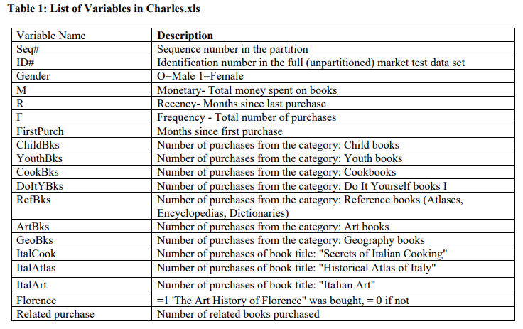
The Charles Book Club (“CBC”) was established in December of 1986, on the premise that a book club could differentiate itself through a deep understanding of its customer base and by delivering uniquely tailored offerings. CBC focused on selling specialty books by direct marketing through a variety of channels, including media advertising (TV, magazines, newspapers) and mailing. CBC is strictly a distributor and does not publish any of the books that it sells. In line with its commitment to understanding its customer base, CBC built and maintained a detailed database of its club members. Upon enrollment, readers were required to fill out an insert and mail it to CBC. Through this process, CBC has created an active database of 500,000 readers. CBC acquired most of these customers through advertising in specialty magazines.

The problem:
CBC sent mailings to its club members each month containing its latest offering.
On the surface, CBC looked like they were very successful, mailing volume was increasing, book selection was diversifying and growing, their customer database was increasing; however, their bottom line profits were falling. The decreasing profits led CBC to revisit their original plan of using database marketing to improve its mailing yields and to stay profitable.

This Dataset is part of a case prepared by Ms. Vinni Bhandari, a data mining consultant and Dr. Nitin Patel, a visiting professor of Operations Research at the MIT Sloan School of Management. The case has been derived from a Case Study in Database Marketing titled ‘BBB - The Bookbinders Club’ prepared by Nissan Levin and Jacob Zahavi, Tel Aviv University for the Direct Marketing Educational Foundation, Inc. (March 1995).

